Cover
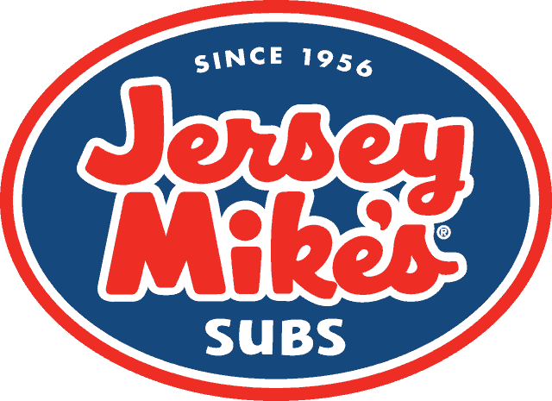

Jersey Mike's Subs

Buyout Model

2026-07-06

By: Tyler Spencer

SPONSOR RETURNS

Scenario | MOIC | IRR
Best Case (Bull) | 2.00x | 50.2%
Base Case | 1.79x | 40.7%
Worst Case (Bear) | 1.58x | 30.8%

